MASTER
Flat Bar and Plate Price Calculator
Thick/in | Width/in | Length/in | Resolution | Index | Area/in | Number of indexes | Sec/scanline | Load time | Time/ min | Total time | Hrly Rate | Minute Rate | Price per part |  | QUANTITY OF PARTS | LOT CHARGE | TECHNIQUE FEE | ENV. FEE RATE | SUB TOTAL | ENV. FEE | GRAND TOTAL | MIN CHARGE | MIN LOT QTY
3.625 | 11.625 | 15.75 | .250" | 0.125 | 240.1875 | 122 | 1.575 | 3 | 3.2025 | 6.2025 | $225 | $3.75 | $23.30 | PREMCO PRICING | 200 | $4,660.00 | $0.00 | 2% | $4,660.00 | $94.00 | $4,754.00 | $225.00 | 9
3.625 | 11.6252 | 15.75 | .250" | 0.075 | 240.19065 | 203.336 | 1.575 | 3 | 5.33757 | 8.33757 | $225 | $3.75 | $31.30 | LARGE PLATE | 200 | $6,260.00 | $0.00 | 2% | $6,260.00 | $126.00 | $6,386.00 | $225.00 | 7
2 | 14 | 16 | .250" | 0.065 | 256 | 246.1538462 | 1.6 | 4 | 6.564102564 | 10.56410256 | $225 | $3.75 | $39.70 |  | 20 | $794.00 | $0.00 | 2% | $794.00 | $16.00 | $810.00 | $225.00 | 5
2 | 14 | 16 | .250" | 0.045 | 256 | 355.5555556 | 1.6 | 4 | 9.481481481 | 13.48148148 | $225 | $3.75 | $50.60 |  | 18 | $910.80 | $0.00 | 2% | $910.80 | $19.00 | $929.80 | $225.00 | 4
0.0625 | 3.5 | 62.7 | .250" | 0.02 | 223.36875 | 178.125 | 6.27 | 3 | 18.6140625 | 21.6140625 | $250 | $4.17 | $90.10 | HIGH RESOLUTION SCANNING | 22 | $1,982.20 | $125.00 | 2% | $2,107.20 | $43.00 | $2,150.20 | $225.00 | 2

 | Round Bar Price Calculator
 | Diameter | Length/in | Resolution | Index | Circumference | No. Indexes | Sec per scanline | Load Time | Time / min | Total Time | Hrly Rate | Minute Rate | Price per bar |  | QUANTITY OF PARTS | LOT CHARGE | TECHNIQUE FEE | ENV. FEE RATE | SUB TOTAL | ENV. FEE | GRAND TOTAL | MIN CHARGE | MIN LOT QTY
 | 1.5 | 26 | .250" | 0.15 | 4.71 | 31.4 | 2.6 | 3 | 1.360666667 | 4.360666667 | $250 | $4.17 | $18.20 | PREMCO PRICING | 10 | $182.00 | $125.00 | 2% | $307.00 | $7.00 | $314.00 | $225.00 | 12
 | 1.5 | 26 | .250" | 0.075 | 4.71 | 62.8 | 2.6 | 3 | 2.721333333 | 5.721333333 | $225 | $3.75 | $21.50 |  | 6 | $129.00 | $125.00 | 2% | $254.00 | $6.00 | $260.00 | $225.00 | 10
 | 2.25 | 0.715 | .250" | 0.065 | 7.065 | 108.6923077 | 0.0715 | 3 | 0.129525 | 3.129525 | $225 | $3.75 | $11.80 |  | 206 | $2,430.80 | $125.00 | 2% | $2,555.80 | $52.00 | $2,607.80 | $225.00 | 19
 | 13.78 | 10.85 | .250" | 0.045 | 43.2692 | 961.5377778 | 1.085 | 5 | 17.38780815 | 22.38780815 | $225 | $3.75 | $84.00 |  | 6 | $504.00 | $125.00 | 2% | $629.00 | $13.00 | $642.00 | $225.00 | 2
 | 13.78 | 10.85 | .250" | 0.025 | 43.2692 | 1730.768 | 1.085 | 2 | 31.29805467 | 33.29805467 | $250 | $4.17 | $138.80 | HIGH RESOLUTION SCANNING | 32 | $4,441.60 | $125.00 | 2% | $4,566.60 | $92.00 | $4,658.60 | $225.00 | 1

Ultrasonic pricing will be as follows:
=n7, Each Listed Pc.
10 Pcs. = $449.50 Lot Charge.
$125.00 Technique generation Fee. (one-time, non-recurring) (100% Coverage)
+ $11.00 Environmental Fee.
$535.50 Total.
4-5 Business Day Standard Lead time.
Drawing Required
Please do not hesitate to reach out if you have any questions.
Have a great day
=n7

 |  |  |  |  |  |  |  |  |  |  |  |  | Price per part | UNIT Pricing | QUANTITY OF PARTS | LOT CHARGE | TECHNIQUE FEE | ENV. FEE RATE | SUB TOTAL | ENV. FEE | GRAND TOTAL
 |  |  |  |  |  |  |  |  |  |  |  |  | $43.85 |  | 68 | $2,981.80 | $0.00 | 2% | $2,981.80 | $60.00 | $3,041.80

WEIGHT FORMULA
Cubic inches | 1728 | in a cubic foot |  |  |  |  |  |  |  |  |  | Water | 62.42796
 |  | Product weight per cu/ft: |  | 494 |  |  |  |  | Material | Specification | Specific Gravity | Weight | DENSITY
 |  | Testing rate per pound: |  | $0.10 |  |  |  |  | Al | 7075 | 2.81 | 175.4225676
 |  |  |  |  |  |  |  |  | Al | 2219 | 2.84 | 177.2954064
 |  |  |  |  |  |  |  |  | Al | 6061 | 2.7 | 168.555492
 |  |  |  |  |  |  |  |  | Al | 7050 | 2.83 | 176.6711268
Width | Thick | Length | Cubic Inches | Cubic Feet | Pounds | Revenue |  |  | SS |  |  | 494.21 | s/b 488 or 490 | 0.29
10.75 | 25.5 | 17.75 | 4865.71875 | 2.815809462 | 1391.009874 | $139.10 |  |  | Ti |  |  | 283.39 | / 307.5 | 0.16
13.62 | 26.5 | 64.5 | 23279.985 | 13.47221354 | 6655.27349 | $665.53 |  |  | Mild Steel |  |  | 490 | 0.283
13.62 | 26.5 | 42 | 15159.06 | 8.772604167 | 4333.666458 | $433.37 |  |  | Tungsten |  |  | 1204.41
11.75 | 5.75 | 55.875 | 3775.054688 | 2.184638129 | 1079.211236 | $107.92 |  |  | Nickel |  |  | 568.5 | 0.32 | 0.2965
10 | 10 | 10 | 1000 | 0.5787037037 | 285.8796296 | $28.59 |  | 4865.71875 |  |  |  |  | .

 |  |  |  |  |  | $1,237.99

ROUND BAR WEIGHT AND PRICE CALCULATOR

 |  | ALLOY | ROUND BAR DIAMETER (INCHES) | LENGTH | RADIUS | PI | AREA (CUBIC INCHES) | VOLUME | DENSITY | WEIGHT (LBS) |  | PER POUND PRICE | PER BAR PRICE |  | CAPACITY
 |  | MILD STEEL | 13 | 60 | 6.5 | 3.1415926536 | 132.7322896 | 7963.937377 | 0.283 | 2253.794278 |  | $0.14 | $315.53 |  | 6000
 |  | STAINLESS STEEL | 10.5 | 144 | 5.25 | 3.1415926536 | 86.59014751 | 12468.98124 | 0.29 | 3616.00456 |  | $0.14 | $506.24
 |  | ALUMINUM | 13 | 148 | 6.5 | 3.1415926536 | 132.7322896 | 19644.37886 | 0.1 | 1964.437886 |  | $0.16 | $314.31
 |  | TITANIUM | 13 | 148 | 6.5 | 3.1415926536 | 132.7322896 | 19644.37886 | 0.16 | 3143.100618 |  | $0.20 | $628.62
 |  | NICKEL ALLOYS | 9 | 162.5 | 4.5 | 3.1415926536 | 63.61725124 | 10337.80333 | 0.2965 | 3065.158686 |  | $0.14 | $429.12

ALLOY METALS
STAINLESS STEEL CLASS A Flat Bar and Plate Price Calculator
Thick/in | Width/in | Length/in | Resolution | Index | Area/in | Number of indexes | Sec/scanline | Load time | Time/ min | Total time | Hrly Rate | Minute Rate | Price per part in Time | Price per part in Weight | Price per Part |  | QUANTITY OF PARTS | LOT CHARGE | TECHNIQUE FEE | ENV. FEE RATE | SUB TOTAL | ENV. FEE | GRAND TOTAL | MIN CHARGE | MIN LOT QTY
10 | 10 | 50 | .250" | 0.075 | 1000 | 266.6666667 | 5 | 4 | 22.22222222 | 26.22222222 | $225 | $3.75 | $98.40 | $171.88 | $171.88 | CLASS A | 150 | $25,781.25 | $0.00 | 2% | $25,781.25 | $516.00 | $26,297.25 | $225.00 | 2

STAINLESS STEEL CLASS AA Flat Bar and Plate Price Calculator
Thick/in | Width/in | Length/in | Resolution | Index | Area/in | Number of indexes | Sec/scanline | Load time | Time/ min | Total time | Hrly Rate | Minute Rate | Price per part in Time | Price per part in Weight | Price per Part |  | QUANTITY OF PARTS | LOT CHARGE | TECHNIQUE FEE | ENV. FEE RATE | SUB TOTAL | ENV. FEE | GRAND TOTAL | MIN CHARGE | MIN LOT QTY
10 | 10 | 50 | .250" | 0.06 | 1000 | 333.3333333 | 5 | 4 | 27.77777778 | 31.77777778 | $225 | $3.75 | $119.20 | $200.52 | $200.52 | CLASS AA | 10 | $2,005.21 | $0.00 | 2% | $2,005.21 | $41.00 | $2,046.21 | $225.00 | 1

TITANIUM CLASS A Flat Bar and Plate Price Calculator
Thick/in | Width/in | Length/in | Resolution | Index | Area/in | Number of indexes | Sec/scanline | Load time | Time/ min | Total time | Hrly Rate | Minute Rate | Price per part in Time | Price per part in Weight | Price per Part |  | QUANTITY OF PARTS | LOT CHARGE | TECHNIQUE FEE | ENV. FEE RATE | SUB TOTAL | ENV. FEE | GRAND TOTAL | MIN CHARGE | MIN LOT QTY
10 | 10 | 50 | .250" | 0.065 | 1000 | 307.6923077 | 5 | 4 | 25.64102564 | 29.64102564 | $225 | $3.75 | $111.20 | $176.60 | $176.60 | CLASS A | 8 | $1,412.80 | $0.00 | 2% | $1,412.80 | $29.00 | $1,441.80 | $225.00 | 2
 |  | 2
TITANIUM CLASS AA Flat Bar and Plate Price Calculator
Thick/in | Width/in | Length/in | Resolution | Index | Area/in | Number of indexes | Sec/scanline | Load time | Time/ min | Total time | Hrly Rate | Minute Rate | Price per part in Time | Price per part in Weight | Price per Part |  | QUANTITY OF PARTS | LOT CHARGE | TECHNIQUE FEE | ENV. FEE RATE | SUB TOTAL | ENV. FEE | GRAND TOTAL | MIN CHARGE | MIN LOT QTY
10 | 10 | 50 | .250" | 0.05 | 1000 | 400 | 5 | 4 | 33.33333333 | 37.33333333 | $225 | $3.75 | $140.00 | $220.70 | $220.70 | CLASS AA | 2 | $441.40 | $125.00 | 2% | $566.40 | $12.00 | $578.40 | $225.00 | 1

Round Bar Price Calculator
Diameter | Length/in | Resolution | Index | Circumference | No. Indexes | Sec per scanline | Load Time | Time / min | Total Time | Hrly Rate | Minute Rate |  |  |  | Price per bar | QUANTITY OF PARTS | LOT CHARGE | TECHNIQUE FEE | ENV. FEE RATE | SUB TOTAL | ENV. FEE | GRAND TOTAL | MIN CHARGE | MIN LOT QTY
1 | 19.75 | .250" | 0.065 | 3.14 | 48.30769231 | 1.975 | 3.5 | 1.590128205 | 5.090128205 | $225 | $3.75 |  |  |  | $19.10 | 2 | $38.20 | $0.00 | 2% | $38.20 | $1.00 | $39.20 | $225.00 | 11
STAINLESS STEEL CALCULATIONS
TITANIUM CALCULATIONS
 |  |  |  |  |  |  |  |  |  |  |  |  |  |  |  |  |  |  |  |  |  |  |  | CAPACITY
 |  |  |  |  |  |  |  |  |  |  | MATERIAL SPECIFICATIONS |  |  |  |  |  |  |  |  |  |  |  |  | 10000
Cubic inches | 1728 | in a cubic foot |  |  |  |  |  |  |  |  |  | Water | 62.42796 |  |  | Cubic inches | 1728 | in a cubic foot |  |  |  |  |  | 6000
 |  | Product weight per cu/ft: |  | 495 |  |  |  |  | Material | Specification | Specific Gravity | Weight |  |  |  |  |  | Product weight per cu/ft: |  | 305 |  |  |  | 4000
 |  | Testing rate per pound CLASS A: |  | $0.12 |  |  |  |  | Al | 7075 | 2.81 | 175.4225676 |  |  |  |  |  | Testing rate per pound CLASS A: |  | $0.20
 |  | Testing rate per pound CLASS AA: |  | $0.14 |  |  |  |  | Al | 2219 | 2.84 | 177.2954064 |  |  |  |  |  | Testing rate per pound CLASS AA: |  | $0.25
 |  |  |  |  |  |  |  |  | Al | 6061 | 2.7 | 168.555492
 |  |  |  |  |  |  |  |  | Al | 7050 | 2.83 | 176.6711268
Width | Depth | Length | Cubic Inches | Cubic Feet | Pounds | Revenue |  |  | SS |  |  | 494.21 | s/b 488 or 490 |  |  | Width | Depth | Length | Cubic Inches | Cubic Feet | Pounds | Revenue
10 | 10 | 50 | 5000 | 2.893518519 | 1432.291667 | $171.88 |  |  | Ti |  |  | 283.39 | / 307.5 |  |  | 10 | 10 | 50 | 5000 | 2.893518519 | 882.5231481 | $176.60
10 | 10 | 50 | 5000 | 2.893518519 | 1432.291667 | $200.52 |  |  | Mild Steel |  |  | 490 |  |  |  | 10 | 10 | 50 | 5000 | 2.893518519 | 882.5231481 | $220.70
5.625 | 5.75 | 9 | 291.09375 | 0.1684570313 | 83.38623047 | $10.01 |  |  | Tungsten |  |  | 1204.41 |  |  |  | 5.625 | 5.75 | 9 | 291.09375 | 0.1684570313 | 83.38623047 | $10.01
11.75 | 5.75 | 55.875 | 3775.054688 | 2.184638129 | 1081.395874 | $129.77 |  |  | Nickel |  |  | 568.5 |  |  |  | 11.75 | 5.75 | 55.875 | 3775.054688 | 2.184638129 | 1081.395874 | $129.77
10 | 10 | 10 | 1000 | 0.5787037037 | 286.4583333 | $34.38 |  |  |  |  |  |  |  |  |  | 10 | 10 | 10 | 1000 | 0.5787037037 | 286.4583333 | $34.38

ALTEMP ALLOYS
STAINLESS STEEL CLASS A Flat Bar and Plate Price Calculator
Thick/in | Width/in | Length/in | Index | Area/in | Number of indexes | Sec/scanline | Load time | Price per part in Time | Price per part in Weight | Price per Part |  | QUANTITY OF PARTS | LOT CHARGE | TECHNIQUE FEE | SUB TOTAL | ENV. FEE | GRAND TOTAL | MIN CHARGE | MIN LOT QTY
1 | 36 | 48 | 0.075 | 1776 | 493.3333333 | 4.8 | 5 | $166.80 | $51.50 | $166.80 | CLASS A | 2 | $333.60 | $125.00 | $458.60 | $10.00 | $468.60 | $225.00 | 1

STAINLESS STEEL CLASS AA Flat Bar and Plate Price Calculator
Thick/in | Width/in | Length/in | Index | Area/in | Number of indexes | Sec/scanline | Load time | Price per part in Time | Price per part in Weight | Price per Part |  | QUANTITY OF PARTS | LOT CHARGE | TECHNIQUE FEE | SUB TOTAL | ENV. FEE | GRAND TOTAL | MIN CHARGE | MIN LOT QTY
3 | 37 | 120 | 0.055 | 4800 | 727.2727273 | 12 | 5 | $564.30 | $476.40 | $564.30 | CLASS AA | 12 | $6,771.60 | $125.00 | $6,896.60 | $138.00 | $7,034.60 | $225.00 | 0

NICKEL ALLOY CLASS A Flat Bar and Plate Price Calculator
Thick/in | Width/in | Length/in | Index | Area/in | Number of indexes | Sec/scanline | Load time | Price per part in Time | Price per part in Weight | Price per Part |  | QUANTITY OF PARTS | LOT CHARGE | TECHNIQUE FEE | SUB TOTAL | ENV. FEE | GRAND TOTAL | MIN CHARGE | MIN LOT QTY
2.5 | 60 | 108 | 0.075 | 6750 | 833.3333333 | 10.8 | 6 | $585.00 | $532.50 | $585.00 | CLASS A | 1 | $585.00 | $0.00 | $585.00 | $12.00 | $597.00 | $225.00 | 0

NICKEL ALLOY CLASS AA Flat Bar and Plate Price Calculator
Thick/in | Width/in | Length/in | Index | Area/in | Number of indexes | Sec/scanline | Load time | Price per part in Time | Price per part in Weight | Price per Part |  | QUANTITY OF PARTS | LOT CHARGE | TECHNIQUE FEE | SUB TOTAL | ENV. FEE | GRAND TOTAL | MIN CHARGE | MIN LOT QTY
1.5 | 16 | 48 | 0.055 | 840 | 318.1818182 | 4.8 | 4 | $110.50 | $45.50 | $110.50 | CLASS AA | 1 | $225.00 | $125.00 | $350.00 | $7.00 | $357.00 | $225.00 | 2

Round Bar Price Calculator
Diameter | Length/in | Resolution | Circumference | No. Indexes | Sec per scanline | Load Time | Time / min |  |  |  | QUANTITY OF PARTS | LOT CHARGE | TECHNIQUE FEE | ENV. FEE RATE | ENV. FEE | GRAND TOTAL | MIN CHARGE | MIN LOT QTY
2.875 | 19.8 | .250" | 9.0275 | 138.8846154 | 1.98 | 3 | 4.583192308 |  |  | ALLOY METALS | 12 | $342.00 | $125.00 | 2% | $10.00 | $477.00 | $225.00 | 7
STAINLESS STEEL CALCULATIONS
NICKEL ALLOYS CALCULATIONS
 |  |  |  |  |  |  |  |  |  |  |  |  |  |  |  |  |  | CAPACITY
 |  |  |  |  |  |  |  |  |  |  |  |  |  |  |  |  |  | 10,000
Cubic inches | 1728 | in a cubic foot |  |  |  |  |  | 62.42796 |  |  | Cubic inches | 1728 | in a cubic foot |  |  |  |  | 6000
 |  | Product weight per cu/ft: | 515 |  |  |  |  |  |  |  |  |  | Product weight per cu/ft: |  |  |  |  | 4000
 |  | Testing rate per pound CLASS A: | $0.10 |  |  |  |  |  |  |  |  |  | Testing rate per pound CLASS A:
 |  | Testing rate per pound CLASS AA: | $0.12 |  |  |  |  |  |  |  |  |  | Testing rate per pound CLASS AA:

Width | Depth | Length | Cubic Feet | Pounds | Revenue |  |  | s/b 488 or 490 |  |  | Width | Depth | Length | Cubic Inches | Pounds | Revenue
1 | 36 | 48 | 1 | 515 | $51.50 |  |  | / 307.5 |  |  | 2.5 | 60 | 108 | 16200 | 5325 | $532.50
3 | 37 | 120 | 7.708333333 | 3969.791667 | $476.38 |  |  |  |  |  | 1.5 | 16 | 48 | 1152 | 378.6666667 | $45.44
5.625 | 5.75 | 9 | 0.1684570313 | 86.75537109 | $8.68 |  |  |  |  |  | 5.625 | 5.75 | 9 | 291.09375 | 86.75537109 | $8.68
11.75 | 5.75 | 55.875 | 2.184638129 | 1125.088637 | $112.51 |  |  |  |  |  | 11.75 | 5.75 | 55.875 | 3775.054688 | 1125.088637 | $112.51
10 | 10 | 10 | 0.5787037037 | 298.0324074 | $29.80 |  |  |  |  |  | 10 | 10 | 10 | 1000 | 298.0324074 | $29.80

ALLOY | ROUND BAR DIAMETER (INCHES) | LENGTH | PI | AREA (CUBIC INCHES) | VOLUME | DENSITY | WEIGHT (LBS) |  | CAPACITY
MILD STEEL | 13 | 60 | 3.1415926536 | 132.7322896 | 7963.937377 | 0.283 | 2253.794278 |  | 6000
STAINLESS STEEL | 10.5 | 144 | 3.1415926536 | 86.59014751 | 12468.98124 | 0.29 | 3616.00456
ALUMINUM | 13 | 148 | 3.1415926536 | 132.7322896 | 19644.37886 | 0.1 | 1964.437886
TITANIUM | 13 | 148 | 3.1415926536 | 132.7322896 | 19644.37886 | 0.16 | 3143.100618
NICKEL ALLOYS | 6.02 | 165.875 | 3.1415926536 | 28.4631436 | 4721.323945 | 0.2965 | 1399.87255

BRALCO
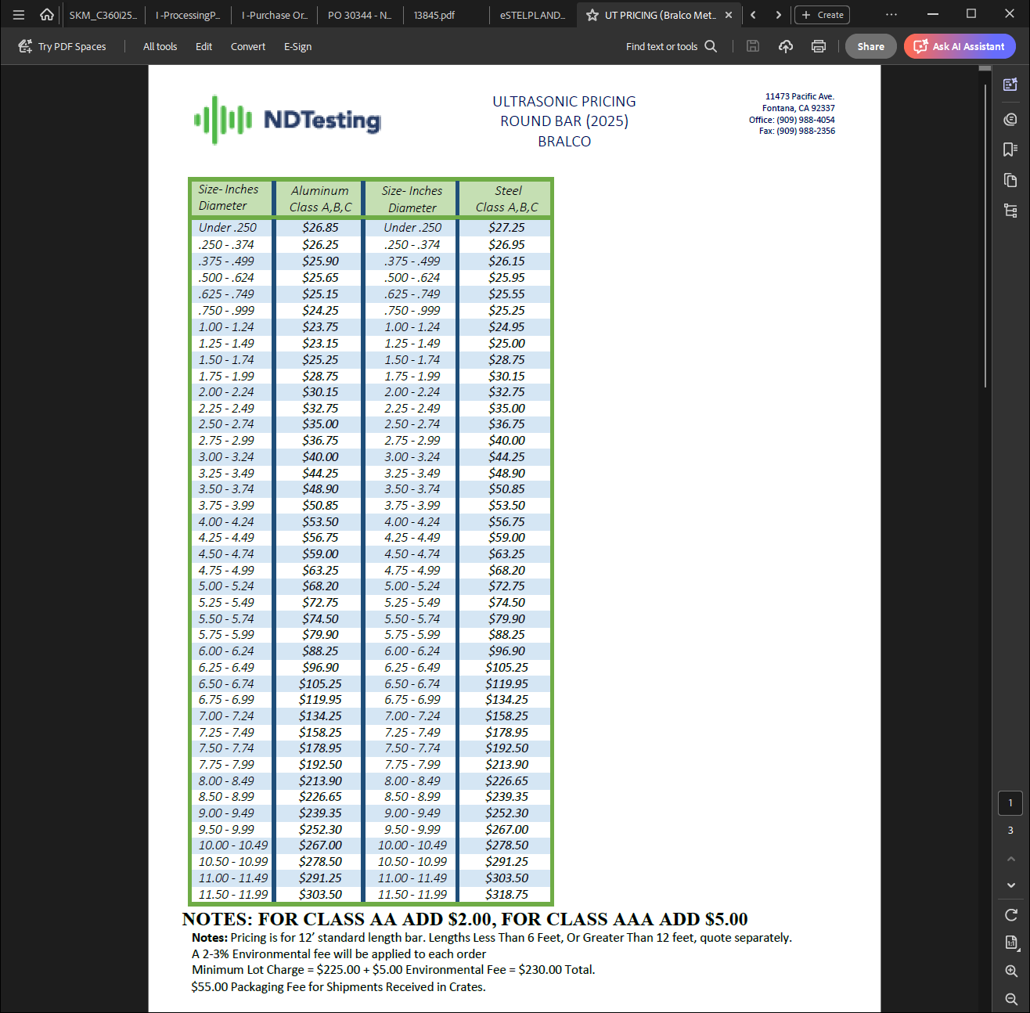
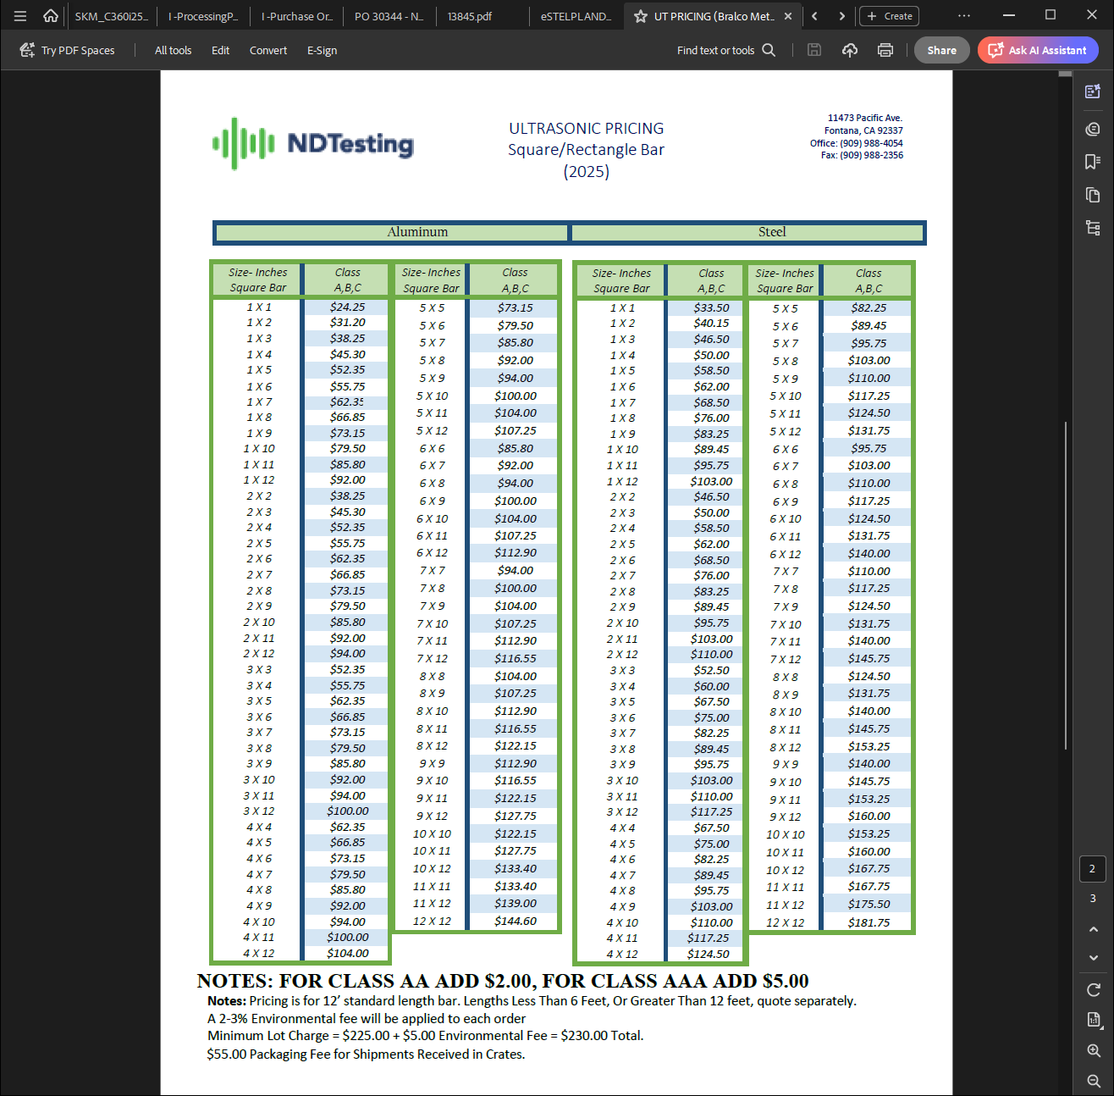
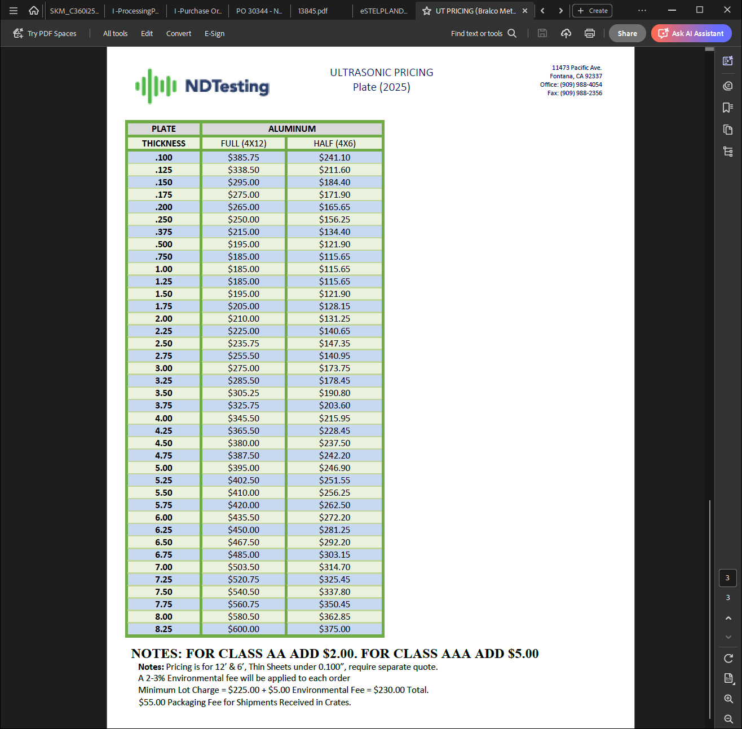

MAGNA TOOL
STAINLESS STEEL CLASS A Flat Bar and Plate Price Calculator
Thick/in | Width/in | Length/in | Resolution | Index | Area/in | Number of indexes | Sec/scanline | Load time | Time/ min | Total time | Hrly Rate | Minute Rate | Price per part in Time | Price per part in Weight | Price per Part |  | QUANTITY OF PARTS | EXT PRICE | LOT CHARGE | TECHNIQUE FEE | ENV. FEE RATE | SUB TOTAL | ENV. FEE | GRAND TOTAL | MIN CHARGE | MIN LOT QTY
3.25 | 36 | 36 | .250" | 0.075 | 1413 | 523.3333333 | 3.6 | 5 | 31.4 | 36.4 | $225 | $3.75 | $136.50 | $125.60 | $136.50 | CLASS A | 8 | $1,092.00 | $1,092.00 | $125.00 | 2% | $1,217.00 | $25.00 | $1,242.00 | $225.00 | 1

STAINLESS STEEL CLASS AA Flat Bar and Plate Price Calculator
Thick/in | Width/in | Length/in | Resolution | Index | Area/in | Number of indexes | Sec/scanline | Load time | Time/ min | Total time | Hrly Rate | Minute Rate | Price per part in Time | Price per part in Weight | Price per Part |  | QUANTITY OF PARTS | EXT PRICE | LOT CHARGE | TECHNIQUE FEE | ENV. FEE RATE | SUB TOTAL | ENV. FEE | GRAND TOTAL | MIN CHARGE | MIN LOT QTY
3 | 37 | 120 | .250" | 0.055 | 4800 | 727.2727273 | 12 | 5 | 145.4545455 | 150.4545455 | $225 | $3.75 | $564.30 | $476.40 | $564.30 | CLASS AA | 12 | $6,771.60 | $6,771.60 | $125.00 | 2% | $6,896.60 | $138.00 | $7,034.60 | $225.00 | 0

NICKEL ALLOY CLASS A Flat Bar and Plate Price Calculator
Thick/in | Width/in | Length/in | Resolution | Index | Area/in | Number of indexes | Sec/scanline | Load time | Time/ min | Total time | Hrly Rate | Minute Rate | Price per part in Time | Price per part in Weight | Price per Part |  | QUANTITY OF PARTS | EXT PRICE | LOT CHARGE | TECHNIQUE FEE | ENV. FEE RATE | SUB TOTAL | ENV. FEE | GRAND TOTAL | MIN CHARGE | MIN LOT QTY
2.25 | 3.25 | 4.125 | .250" | 0.075 | 22.6875 | 73.33333333 | 0.4125 | 6 | 0.5041666667 | 6.504166667 | $225 | $3.75 | $24.40 | $1.00 | $24.40 | CLASS A | 16 | $390.40 | $390.40 | $125.00 | 2% | $515.40 | $11.00 | $526.40 | $225.00 | 9

NICKEL ALLOY CLASS AA Flat Bar and Plate Price Calculator
Thick/in | Width/in | Length/in | Resolution | Index | Area/in | Number of indexes | Sec/scanline | Load time | Time/ min | Total time | Hrly Rate | Minute Rate | Price per part in Time | Price per part in Weight | Price per Part |  | QUANTITY OF PARTS | EXT PRICE | LOT CHARGE | TECHNIQUE FEE | ENV. FEE RATE | SUB TOTAL | ENV. FEE | GRAND TOTAL | MIN CHARGE | MIN LOT QTY
1.5 | 16 | 48 | .250" | 0.055 | 840 | 318.1818182 | 4.8 | 4 | 25.45454545 | 29.45454545 | $225 | $3.75 | $110.50 | $45.50 | $110.50 | CLASS AA | 1 | $110.50 | $225.00 | $125.00 | 2% | $350.00 | $7.00 | $357.00 | $225.00 | 2

Round Bar Price Calculator
Diameter | Length/in | Resolution | Index | Circumference | No. Indexes | Sec per scanline | Load Time | Time / min | Total Time | Hrly Rate | Minute Rate | Price per bar |  |  |  | QUANTITY OF PARTS | LOT CHARGE |  | TECHNIQUE FEE | ENV. FEE RATE | SUB TOTAL | ENV. FEE | GRAND TOTAL | MIN CHARGE | MIN LOT QTY
2.875 | 19.8 | .250" | 0.065 | 9.0275 | 138.8846154 | 1.98 | 3 | 4.583192308 | 7.583192308 | $225 | $3.75 | $28.50 |  |  | ALLOY METALS | 12 | $342.00 |  | $125.00 | 2% | $467.00 | $10.00 | $477.00 | $225.00 | 7
STAINLESS STEEL CALCULATIONS
NICKEL ALLOYS CALCULATIONS
 |  |  |  |  |  |  |  |  |  |  |  |  |  |  |  |  |  |  |  |  |  |  |  |  | CAPACITY
 |  |  |  |  |  |  |  |  |  |  | MATERIAL SPECIFICATIONS |  |  |  |  |  |  |  |  |  |  |  |  |  | 10,000
Cubic inches | 1728 | in a cubic foot |  |  |  |  |  |  |  |  |  | Water | 62.42796 |  |  | Cubic inches | 1728 |  | in a cubic foot |  |  |  |  |  | 6000
 |  | Product weight per cu/ft: |  | 515 |  |  |  |  | Material | Specification | Specific Gravity | Weight |  |  |  |  |  |  | Product weight per cu/ft: |  | 568 |  |  |  | 4000
 |  | Testing rate per pound CLASS A: |  | $0.10 |  |  |  |  | Al | 7075 | 2.81 | 175.4225676 |  |  |  |  |  |  | Testing rate per pound CLASS A: |  | $0.10
 |  | Testing rate per pound CLASS AA: |  | $0.12 |  |  |  |  | Al | 2219 | 2.84 | 177.2954064 |  |  |  |  |  |  | Testing rate per pound CLASS AA: |  | $0.12
 |  |  |  |  |  |  |  |  | Al | 6061 | 2.7 | 168.555492
 |  |  |  |  |  |  |  |  | Al | 7050 | 2.83 | 176.6711268
Width | Depth | Length | Cubic Inches | Cubic Feet | Pounds | Revenue |  |  | SS |  |  | 494.21 | s/b 488 or 490 |  |  | Width | Depth |  | Length | Cubic Inches | Cubic Feet | Pounds | Revenue
3.25 | 36 | 36 | 4212 | 2.4375 | 1255.3125 | $125.53 |  |  | Ti |  |  | 283.39 | / 307.5 |  |  | 2.25 | 3.25 |  | 4.125 | 30.1640625 | 0.01745605469 | 9.915039063 | $0.99
3 | 37 | 120 | 13320 | 7.708333333 | 3969.791667 | $476.38 |  |  | Mild Steel |  |  | 490 |  |  |  | 1.5 | 16 |  | 48 | 1152 | 0.6666666667 | 378.6666667 | $45.44
5.625 | 5.75 | 9 | 291.09375 | 0.1684570313 | 86.75537109 | $8.68 |  |  | Tungsten |  |  | 1204.41 |  |  |  | 5.625 | 5.75 |  | 9 | 291.09375 | 0.1684570313 | 86.75537109 | $8.68
11.75 | 5.75 | 55.875 | 3775.054688 | 2.184638129 | 1125.088637 | $112.51 |  |  | Nickel |  |  | 568.5 |  |  |  | 11.75 | 5.75 |  | 55.875 | 3775.054688 | 2.184638129 | 1125.088637 | $112.51
10 | 10 | 10 | 1000 | 0.5787037037 | 298.0324074 | $29.80 |  |  |  |  |  |  |  |  |  | 10 | 10 |  | 10 | 1000 | 0.5787037037 | 298.0324074 | $29.80

ALLOY | ROUND BAR DIAMETER (INCHES) | LENGTH | RADIUS | PI | AREA (CUBIC INCHES) | VOLUME | DENSITY | WEIGHT (LBS) |  | PER POUND PRICE | PER BAR PRICE |  |  | CAPACITY
MILD STEEL | 13 | 60 | 6.5 | 3.1415926536 | 132.7322896 | 7963.937377 | 0.283 | 2253.794278 |  | $0.14 | $315.53 |  |  | 6000
STAINLESS STEEL | 10.5 | 144 | 5.25 | 3.1415926536 | 86.59014751 | 12468.98124 | 0.29 | 3616.00456 |  | $0.14 | $506.24
ALUMINUM | 13 | 148 | 6.5 | 3.1415926536 | 132.7322896 | 19644.37886 | 0.1 | 1964.437886 |  | $0.15 | $294.67
TITANIUM | 13 | 148 | 6.5 | 3.1415926536 | 132.7322896 | 19644.37886 | 0.16 | 3143.100618 |  | $0.20 | $628.62
NICKEL ALLOYS | 6.02 | 165.875 | 3.01 | 3.1415926536 | 28.4631436 | 4721.323945 | 0.2965 | 1399.87255 |  | $0.16 | $223.98

RICKARD SPECIALTY METALS
STAINLESS STEEL CLASS A Flat Bar and Plate Price Calculator
Thick/in | Width/in | Length/in | Resolution | Index | Area/in | Number of indexes | Sec/scanline | Load time | Time/ min | Total time | Hrly Rate | Minute Rate | Price per Part |  | QUANTITY OF PARTS | LOT CHARGE | TECHNIQUE FEE | ENV. FEE RATE | SUB TOTAL | ENV. FEE | GRAND TOTAL | MIN CHARGE | MIN LOT QTY
4 | 3.1 | 5.35 | .250" | 0.065 | 37.985 | 109.2307692 | 0.535 | 2.5 | 0.973974359 | 3.473974359 | $225 | $3.75 | $13.10 | CLASS A | 60 | $786.00 | $0.00 | 2% | $786.00 | $16.00 | $802.00 | $225.00 | 17

STAINLESS STEEL CLASS AA Flat Bar and Plate Price Calculator
Thick/in | Width/in | Length/in | Resolution | Index | Area/in | Number of indexes | Sec/scanline | Load time | Time/ min | Total time | Hrly Rate | Minute Rate | Price per Part |  | QUANTITY OF PARTS | LOT CHARGE | TECHNIQUE FEE | ENV. FEE RATE | SUB TOTAL | ENV. FEE | GRAND TOTAL | MIN CHARGE | MIN LOT QTY
1 | 25 | 25 | .250" | 0.06 | 650 | 433.3333333 | 2.5 | 4 | 18.05555556 | 22.05555556 | $225 | $3.75 | $82.80 | CLASS AA | 30 | $2,484.00 | $125.00 | 2% | $2,609.00 | $53.00 | $2,662.00 | $225.00 | 2

TITANIUM CLASS A Flat Bar and Plate Price Calculator
Thick/in | Width/in | Length/in | Resolution | Index | Area/in | Number of indexes | Sec/scanline | Load time | Time/ min | Total time | Hrly Rate | Minute Rate | Price per Part |  | QUANTITY OF PARTS | LOT CHARGE | TECHNIQUE FEE | ENV. FEE RATE | SUB TOTAL | ENV. FEE | GRAND TOTAL | MIN CHARGE | MIN LOT QTY
2 | 48 | 62 | .250" | 0.045 | 3100 | 1111.111111 | 6.2 | 4 | 114.8148148 | 118.8148148 | $225 | $3.75 | $445.60 | CLASS A | 6 | $2,673.60 | $0.00 | 2% | $2,673.60 | $54.00 | $2,727.60 | $225.00 | 0
 |  | 2
TITANIUM CLASS AA Flat Bar and Plate Price Calculator
Thick/in | Width/in | Length/in | Resolution | Index | Area/in | Number of indexes | Sec/scanline | Load time | Time/ min | Total time | Hrly Rate | Minute Rate | Price per Part |  | QUANTITY OF PARTS | LOT CHARGE | TECHNIQUE FEE | ENV. FEE RATE | SUB TOTAL | ENV. FEE | GRAND TOTAL | MIN CHARGE | MIN LOT QTY
2 | 14 | 16 | .250" | 0.06 | 256 | 266.6666667 | 1.6 | 4 | 7.111111111 | 11.11111111 | $225 | $3.75 | $41.70 | CLASS AA | 2 | $83.40 | $125.00 | 2% | $208.40 | $5.00 | $213.40 | $225.00 | 5

Round Bar Price Calculator
Diameter | Length/in | Resolution | Index | Circumference | No. Indexes | Sec per scanline | Load Time | Time / min | Total Time | Hrly Rate | Minute Rate | Price per bar |  | QUANTITY OF PARTS | LOT CHARGE | TECHNIQUE FEE | ENV. FEE RATE | SUB TOTAL | ENV. FEE | GRAND TOTAL | MIN CHARGE | MIN LOT QTY
1 | 19.75 | .250" | 0.065 | 3.14 | 48.30769231 | 1.975 | 3.5 | 1.590128205 | 5.090128205 | $225 | $3.75 | $19.10 | ALLOY METALS | 50 | $955.00 | $0.00 | 2% | $955.00 | $20.00 | $975.00 | $225.00 | 11
STAINLESS STEEL CALCULATIONS
TITANIUM CALCULATIONS
 |  |  |  |  |  |  |  |  |  |  |  |  |  |  |  |  |  |  |  |  |  | CAPACITY
 |  |  |  |  |  |  |  |  |  |  | MATERIAL SPECIFICATIONS |  |  |  |  |  |  |  |  |  |  | 10000
Cubic inches | 1728 | in a cubic foot |  |  |  |  |  |  |  |  |  | Water |  | Cubic inches | 1728 | in a cubic foot |  |  |  |  |  | 6000
 |  | Product weight per cu/ft: |  | 495 |  |  |  |  | Material | Specification | Specific Gravity | Weight |  |  |  | Product weight per cu/ft: |  | 305 |  |  |  | 4000
 |  | Testing rate per pound CLASS A: |  | $0.14 |  |  |  |  | Al | 7075 | 2.81 | 175.4225676 |  |  |  | Testing rate per pound CLASS A: |  | $0.18
 |  | Testing rate per pound CLASS AA: |  | $0.16 |  |  |  |  | Al | 2219 | 2.84 | 177.2954064 |  |  |  | Testing rate per pound CLASS AA: |  | $0.20
 |  |  |  |  |  |  |  |  | Al | 6061 | 2.7 | 168.555492
 |  |  |  |  |  |  |  |  | Al | 7050 | 2.83 | 176.6711268
Width | Depth | Length | Cubic Inches | Cubic Feet | Pounds | Revenue |  |  | SS |  |  | 494.21 |  | Width | Depth | Length | Cubic Inches | Cubic Feet | Pounds | Revenue
4 | 3.1 | 5.35 | 66.34 | 0.0383912037 | 19.00364583 | $2.66 |  |  | Ti |  |  | 283.39 |  | 2 | 48 | 62 | 5952 | 3.444444444 | 1050.555556 | $189.10
1 | 25 | 25 | 625 | 0.3616898148 | 179.0364583 | $28.65 |  |  | Mild Steel |  |  | 490 |  | 2 | 14 | 16 | 448 | 0.2592592593 | 79.07407407 | $15.90
5.625 | 5.75 | 9 | 291.09375 | 0.1684570313 | 83.38623047 | $11.67 |  |  | Tungsten |  |  | 1204.41 |  | 5.625 | 5.75 | 9 | 291.09375 | 0.1684570313 | 83.38623047 | $11.67
11.75 | 5.75 | 55.875 | 3775.054688 | 2.184638129 | 1081.395874 | $151.40 |  |  | Nickel |  |  | 568.5 |  | 11.75 | 5.75 | 55.875 | 3775.054688 | 2.184638129 | 1081.395874 | $151.40
10 | 10 | 10 | 1000 | 0.5787037037 | 286.4583333 | $40.10 |  |  |  |  |  |  |  | 10 | 10 | 10 | 1000 | 0.5787037037 | 286.4583333 | $40.10

ROLLED ALLOYS
ROUND BAR WEIGHT AND PRICE CALCULATOR

ALLOY | ROUND BAR DIAMETER (INCHES) | LENGTH | RADIUS | PI | AREA (CUBIC INCHES) | VOLUME | DENSITY | WEIGHT (LBS) | PER POUND PRICE | PER BAR PRICE | CAPACITY
MILD STEEL | 13 | 60 | 6.5 | 3.1415926536 | 132.7322896 | 7963.937377 | 0.283 | 2253.794278 | $0.14 | $315.53 | 6000
STAINLESS STEEL | 10.5 | 144 | 5.25 | 3.1415926536 | 86.59014751 | 12468.98124 | 0.29 | 3616.00456 | $0.14 | $506.24
ALUMINUM | 13 | 148 | 6.5 | 3.1415926536 | 132.7322896 | 19644.37886 | 0.1 | 1964.437886 | $0.16 | $314.31
TITANIUM | 13 | 148 | 6.5 | 3.1415926536 | 132.7322896 | 19644.37886 | 0.16 | 3143.100618 | $0.20 | $628.62
NICKEL ALLOYS | 5 | 144 | 2.5 | 3.1415926536 | 19.63495408 | 2827.433388 | 0.2965 | 838.3339996 | $0.14 | $117.37

SIERRA ALLOYS
STAINLESS STEEL CLASS A Flat Bar and Plate Price Calculator
Thick/in | Width/in | Length/in | Price per Part |  | QUANTITY OF PARTS | LOT CHARGE | TECHNIQUE FEE | ENV. FEE RATE | SUB TOTAL | ENV. FEE | GRAND TOTAL | MIN CHARGE | MIN LOT QTY
3 | 55 | 59 | $390.41 | CLASS A | 20 | $7,808.28 | $125.00 | 2% | $7,933.28 | $159.00 | $8,092.28 | $225.00 | 0

STAINLESS STEEL CLASS AA Flat Bar and Plate Price Calculator
Thick/in | Width/in | Length/in | Price per Part |  | QUANTITY OF PARTS | LOT CHARGE | TECHNIQUE FEE | ENV. FEE RATE | SUB TOTAL | ENV. FEE | GRAND TOTAL | MIN CHARGE | MIN LOT QTY
5 | 10 | 10 | $35.90 | CLASS AA | 1 | $35.90 | $125.00 | 2% | $160.90 | $4.00 | $164.90 | $225.00 | 6

TITANIUM CLASS A Flat Bar and Plate Price Calculator
Thick/in | Width/in | Length/in | Price per Part |  | QUANTITY OF PARTS | LOT CHARGE | TECHNIQUE FEE | ENV. FEE RATE | SUB TOTAL | ENV. FEE | GRAND TOTAL | MIN CHARGE | MIN LOT QTY
8 | 26 | 90 | $594.80 | CLASS A | 2 | $1,189.60 | $0.00 | 2% | $1,189.60 | $24.00 | $1,213.60 | $225.00 | 0
 |  | 2
TITANIUM CLASS AA Flat Bar and Plate Price Calculator
Thick/in | Width/in | Length/in | Price per Part |  | QUANTITY OF PARTS | LOT CHARGE | TECHNIQUE FEE | ENV. FEE RATE | SUB TOTAL | ENV. FEE | GRAND TOTAL | MIN CHARGE | MIN LOT QTY
5 | 18 | 90 | $338.50 | CLASS AA | 2 | $677.00 | $125.00 | 2% | $802.00 | $17.00 | $819.00 | $225.00 | 0

Round Bar Price Calculator
Diameter | Length/in | Resolution |  | QUANTITY OF PARTS | LOT CHARGE | TECHNIQUE FEE | ENV. FEE RATE | SUB TOTAL | ENV. FEE | GRAND TOTAL | MIN CHARGE | MIN LOT QTY
2 | 70 | .250" | ALLOY METALS | 6 | $61.40 | $0.00 | 2% | $61.40 | $2.00 | $63.40 | $225.00 | 4
STAINLESS STEEL CALCULATIONS
TITANIUM CALCULATIONS
 |  |  |  |  |  |  |  |  |  |  |  | CAPACITY
 |  |  |  |  |  |  |  |  |  |  |  | 10000
Cubic inches | 1728 | in a cubic foot |  | Cubic inches | 1728 | in a cubic foot |  |  |  |  |  | 6000
 |  | Product weight per cu/ft: |  |  |  | Product weight per cu/ft: |  | 305 |  |  |  | 4000
 |  | Testing rate per pound CLASS A: |  |  |  | Testing rate per pound CLASS A: |  | $0.18
 |  | Testing rate per pound CLASS AA: |  |  |  | Testing rate per pound CLASS AA: |  | $0.20

Width | Depth | Length |  | Width | Depth | Length | Cubic Inches | Cubic Feet | Pounds | Revenue
3 | 55 | 59 |  | 8 | 26 | 90 | 18720 | 10.83333333 | 3304.166667 | $594.80
5 | 10 | 10 |  | 5 | 18 | 90 | 8100 | 4.6875 | 1429.6875 | $286.00
5.625 | 5.75 | 9 |  | 5.625 | 5.75 | 9 | 291.09375 | 0.1684570313 | 83.38623047 | $11.67
11.75 | 5.75 | 55.875 |  | 11.75 | 5.75 | 55.875 | 3775.054688 | 2.184638129 | 1081.395874 | $151.40
10 | 10 | 10 |  | 10 | 10 | 10 | 1000 | 0.5787037037 | 286.4583333 | $40.10

